speciesdecade cumulative graph
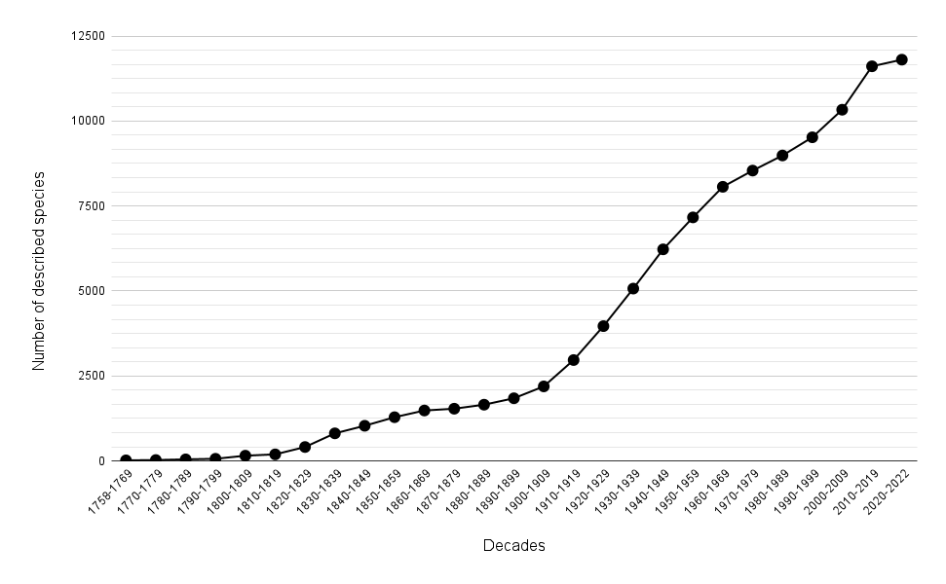
Supplementary 3. Valid species of Diptera recorded to Brazil per decade (until January 2023). These data are available at Rafael et al. (2023) http://fauna.jbrj.gov.br/fauna/faunadobrasil/252 [accessed on January 2023]
Decade | Described species | Cumulative total
1758-1769 | 19 | 19
1770-1779 | 9 | 28
1780-1789 | 20 | 48
1790-1799 | 17 | 65
1800-1809 | 91 | 156
1810-1819 | 39 | 195
1820-1829 | 216 | 411
1830-1839 | 402 | 813
1840-1849 | 223 | 1036
1850-1859 | 252 | 1288
1860-1869 | 197 | 1485
1870-1879 | 53 | 1538
1880-1889 | 118 | 1656
1890-1899 | 189 | 1845
1900-1909 | 349 | 2194
1910-1919 | 775 | 2969
1920-1929 | 998 | 3967
1930-1939 | 1104 | 5071
1940-1949 | 1154 | 6225
1950-1959 | 940 | 7165
1960-1969 | 900 | 8065
1970-1979 | 477 | 8542
1980-1989 | 444 | 8986
1990-1999 | 535 | 9521
2000-2009 | 811 | 10332
2010-2019 | 1277 | 11609
2020-2022 | 195 | 11804
Total | 11804

