5. Quantitative Data
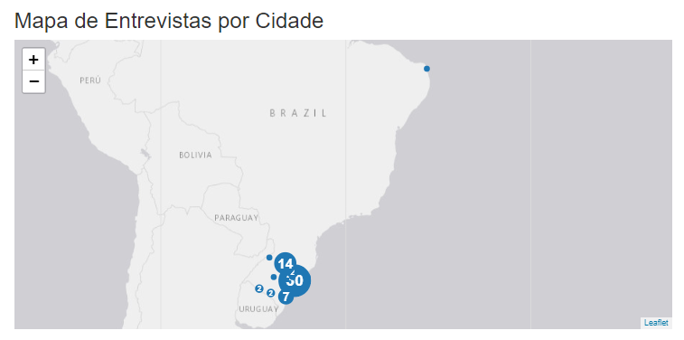
R-PSS Method (Echeveste et al., 2020)
DEMANDED QUALITY TREE (With Assigned Weights)

Secondary Level | Tertiary Level | 1 | 2 | 3 | 4 | 5 | 6 | 7 | 8 | 9 | 10 | 11 | 12 | 13 | 14 | 15 | 16 | 17 | 18 | 19 | 20 | 21 | 22 | 23 | 24 | 25 | 26 | 27 | 28 | 29 | 30 | 31 | 32 | 33 | 34 | 35 | 36 | 37 | 38 | 39 | 40 | 41 | 42 | 43 | 44 | 45 | 46 | 47 | 48 | 49 | 50 | 51 | 52 | 53 | 54 | 55 | 56 | 57 | 58 | 59 | 60 | 61 | 62 | 63 | 64 | 65 | 66 | 67 | 68 | 69 | 70 | 71 | 72 | 73 | 74 | 75 | 76 | 77 | Average
Sustainable Capsules | Biodegradable capsules | 10 | 10 | 10 | 10 | 10 | 10 | 6 | 10 | 10 | 10 | 10 | 10 | 10 | 10 | 9 | 10 | 10 | 10 | 10 | 10 | 9 | 10 | 10 | 9 | 10 | 10 | 5 | 10 | 10 | 10 | 9 | 9 | 8 | 10 | 10 | 10 | 7 | 9 | 10 | 10 | 10 | 10 | 9 | 10 | 10 | 10 | 6 | 6 | 10 | 10 | 10 | 10 | 10 | 10 | 10 | 10 | 1 | 10 | 10 | 10 | 10 | 10 | 9 | 10 | 10 | 1 | 10 | 10 | 6 | 10 | 8 | 8 | 10 | 10 | 10 | 10 | 10 | 8.87
 | Reusable capsules | 8 | 10 | 6 | 10 | 10 | 10 | 10 | 10 | 10 | 10 | 10 | 10 | 10 | 10 | 9 | 10 | 9 | 10 | 10 | 10 | 10 | 9 | 8 | 9 | 5 | 10 | 8 | 10 | 10 | 10 | 6 | 9 | 10 | 10 | 10 | 10 | 10 | 5 | 5 | 10 | 5 | 7 | 9 | 10 | 7 | 5 | 10 | 10 | 10 | 10 | 10 | 9 | 5 | 10 | 1 | 9 | 10 | 10 | 10 | 5 | 10 | 10 | 9 | 1 | 7 | 1 | 10 | 10 | 6 | 1 | 6 | 10 | 9 | 9 | 10 | 10 | 10 | 7.81
 | Compostable capsules | 9 | 10 | 8 | 10 | 10 | 10 | 9 | 10 | 10 | 10 | 10 | 10 | 9 | 10 | 10 | 10 | 7 | 10 | 10 | 9 | 10 | 10 | 10 | 10 | 10 | 10 | 10 | 10 | 10 | 10 | 9 | 10 | 8 | 10 | 10 | 10 | 5 | 10 | 10 | 10 | 10 | 10 | 9 | 10 | 10 | 10 | 10 | 10 | 10 | 10 | 10 | 10 | 10 | 10 | 10 | 10 | 10 | 10 | 10 | 10 | 10 | 10 | 9 | 10 | 8 | 1 | 10 | 10 | 9 | 10 | 8 | 10 | 10 | 10 | 10 | 10 | 10 | 9.36
 | Recyclable capsules | 9 | 10 | 8 | 10 | 10 | 10 | 10 | 8 | 10 | 10 | 10 | 10 | 7 | 10 | 9 | 7 | 10 | 10 | 10 | 10 | 9 | 10 | 10 | 9 | 10 | 10 | 6 | 10 | 10 | 9 | 9 | 10 | 10 | 10 | 10 | 10 | 10 | 2 | 5 | 10 | 5 | 7 | 8 | 10 | 10 | 10 | 10 | 10 | 10 | 10 | 10 | 8 | 10 | 10 | 10 | 10 | 10 | 10 | 10 | 10 | 10 | 10 | 8 | 10 | 7 | 1 | 8 | 10 | 7 | 10 | 10 | 7 | 10 | 10 | 10 | 10 | 10 | 8.79
 | Manufacturing of by-products derived from the capsules | 8 | 10 | 3 | 10 | 10 | 10 | 10 | 9 | 10 | 10 | 10 | 10 | 7 | 10 | 9 | 6 | 7 | 10 | 10 | 10 | 9 | 10 | 10 | 9 | 3 | 10 | 6 | 10 | 10 | 10 | 9 | 10 | 8 | 10 | 10 | 10 | 10 | 3 | 7 | 10 | 7 | 7 | 8 | 10 | 10 | 3 | 9 | 9 | 10 | 10 | 10 | 8 | 10 | 10 | 10 | 10 | 10 | 10 | 10 | 1 | 10 | 10 | 8 | 10 | 7 | 1 | 8 | 10 | 6 | 10 | 8 | 7 | 10 | 10 | 10 | 10 | 10 | 8.15
Environmental Responsibility | Reduction of waste quantity in landfills | 9 | 10 | 10 | 10 | 10 | 10 | 10 | 10 | 10 | 10 | 10 | 10 | 10 | 2 | 9 | 1 | 10 | 10 | 10 | 10 | 10 | 10 | 10 | 10 | 10 | 10 | 10 | 10 | 10 | 10 | 8 | 10 | 10 | 10 | 7 | 2 | 10 | 8 | 10 | 7 | 10 | 8 | 10 | 10 | 10 | 10 | 9 | 9 | 10 | 10 | 10 | 9 | 10 | 10 | 10 | 10 | 10 | 10 | 10 | 10 | 9 | 10 | 10 | 10 | 9 | 6 | 9 | 10 | 6 | 10 | 10 | 10 | 10 | 10 | 10 | 10 | 10 | 8.92
 | Have product environmental certification | 10 | 10 | 3 | 10 | 10 | 10 | 10 | 10 | 10 | 10 | 10 | 10 | 7 | 10 | 10 | 8 | 10 | 10 | 10 | 10 | 9 | 10 | 10 | 10 | 10 | 10 | 8 | 10 | 10 | 8 | 6 | 8 | 10 | 10 | 10 | 10 | 10 | 10 | 7 | 10 | 7 | 10 | 10 | 10 | 10 | 10 | 8 | 8 | 10 | 10 | 10 | 8 | 7 | 10 | 10 | 10 | 10 | 10 | 10 | 10 | 5 | 10 | 10 | 10 | 10 | 5 | 9 | 10 | 6 | 10 | 10 | 8 | 10 | 10 | 10 | 10 | 10 | 9.13
 | Reduction of environmental impact | 10 | 10 | 8 | 10 | 10 | 10 | 10 | 10 | 10 | 10 | 10 | 10 | 9 | 10 | 10 | 10 | 10 | 10 | 10 | 10 | 10 | 9 | 10 | 10 | 10 | 10 | 10 | 10 | 10 | 10 | 8 | 10 | 10 | 10 | 7 | 10 | 10 | 10 | 7 | 7 | 7 | 10 | 10 | 10 | 10 | 10 | 10 | 10 | 10 | 10 | 10 | 10 | 10 | 10 | 10 | 10 | 10 | 10 | 10 | 10 | 9 | 10 | 10 | 10 | 9 | 5 | 10 | 10 | 9 | 10 | 10 | 10 | 10 | 10 | 10 | 10 | 10 | 9.61
 | Transparent information about the capsules' destination (disposal) | 10 | 10 | 7 | 10 | 10 | 10 | 10 | 8 | 10 | 9 | 9 | 10 | 7 | 10 | 10 | 2 | 10 | 10 | 10 | 10 | 10 | 10 | 10 | 10 | 10 | 10 | 10 | 10 | 10 | 10 | 10 | 9 | 10 | 10 | 3 | 10 | 10 | 9 | 10 | 3 | 10 | 10 | 8 | 10 | 10 | 10 | 8 | 8 | 10 | 10 | 10 | 7 | 10 | 10 | 10 | 10 | 10 | 10 | 10 | 10 | 10 | 10 | 8 | 10 | 10 | 1 | 10 | 10 | 9 | 10 | 10 | 9 | 10 | 10 | 10 | 10 | 10 | 8.88
Collection Point Convenience | Accessible collection points | 9 | 10 | 10 | 10 | 10 | 10 | 10 | 10 | 10 | 10 | 10 | 10 | 9 | 10 | 10 | 2 | 10 | 10 | 10 | 10 | 10 | 10 | 10 | 9 | 10 | 10 | 10 | 9 | 10 | 10 | 9 | 10 | 10 | 10 | 10 | 10 | 10 | 8 | 10 | 10 | 10 | 10 | 8 | 10 | 10 | 10 | 10 | 10 | 10 | 10 | 9 | 6 | 10 | 10 | 10 | 10 | 10 | 10 | 10 | 10 | 10 | 10 | 8 | 10 | 10 | 1 | 10 | 10 | 10 | 10 | 10 | 9 | 10 | 10 | 10 | 10 | 10 | 9.27
 | Diversity of collection points | 4 | 10 | 10 | 10 | 10 | 10 | 10 | 10 | 10 | 9 | 9 | 8 | 9 | 10 | 10 | 3 | 9 | 10 | 10 | 6 | 10 | 10 | 10 | 9 | 10 | 10 | 8 | 10 | 9 | 10 | 8 | 9 | 10 | 10 | 10 | 10 | 10 | 8 | 10 | 10 | 10 | 10 | 7 | 10 | 10 | 10 | 10 | 10 | 10 | 10 | 10 | 7 | 10 | 10 | 10 | 10 | 10 | 10 | 10 | 10 | 9 | 10 | 7 | 10 | 10 | 1 | 10 | 8 | 10 | 10 | 10 | 9 | 9 | 8 | 10 | 10 | 10 | 8.97
 | Adequate packaging for storing used capsules | 7 | 8 | 10 | 10 | 10 | 10 | 8 | 5 | 10 | 9 | 9 | 10 | 9 | 8 | 9 | 8 | 10 | 9 | 10 | 4 | 10 | 10 | 1 | 9 | 6 | 10 | 6 | 9 | 8 | 8 | 6 | 9 | 7 | 10 | 10 | 8 | 10 | 9 | 10 | 10 | 10 | 8 | 7 | 10 | 10 | 6 | 6 | 6 | 10 | 10 | 5 | 6 | 10 | 10 | 8 | 7 | 4 | 10 | 10 | 1 | 8 | 10 | 7 | 10 | 8 | 1 | 7 | 10 | 7 | 10 | 6 | 8 | 8 | 9 | 10 | 10 | 1 | 7.42
 | Accessible information about collection points | 10 | 10 | 8 | 10 | 10 | 10 | 10 | 10 | 10 | 10 | 10 | 10 | 9 | 8 | 10 | 3 | 10 | 9 | 10 | 10 | 10 | 10 | 10 | 9 | 10 | 10 | 9 | 10 | 10 | 10 | 10 | 10 | 10 | 10 | 10 | 8 | 10 | 9 | 10 | 10 | 10 | 10 | 7 | 10 | 10 | 10 | 10 | 10 | 10 | 10 | 10 | 9 | 10 | 10 | 10 | 10 | 10 | 10 | 10 | 10 | 9 | 10 | 7 | 10 | 10 | 1 | 8 | 10 | 10 | 10 | 10 | 9 | 10 | 10 | 10 | 10 | 10 | 9.26
Education and Awareness | Environmental education programs and promotion of sustainable projects | 9 | 10 | 9 | 10 | 10 | 10 | 9 | 8 | 10 | 10 | 10 | 8 | 9 | 10 | 9 | 2 | 7 | 9 | 10 | 10 | 10 | 10 | 8 | 10 | 7 | 10 | 8 | 10 | 10 | 9 | 7 | 10 | 10 | 10 | 10 | 10 | 10 | 10 | 10 | 10 | 10 | 10 | 7 | 10 | 10 | 7 | 9 | 9 | 10 | 10 | 10 | 7 | 10 | 10 | 10 | 9 | 10 | 10 | 10 | 7 | 9 | 10 | 7 | 10 | 10 | 2 | 9 | 8 | 7 | 10 | 7 | 8 | 9 | 10 | 10 | 10 | 10 | 8.84
 | Incentives for disposal at collection points | 7 | 10 | 5 | 10 | 10 | 10 | 9 | 8 | 10 | 8 | 8 | 10 | 10 | 10 | 4 | 3 | 8 | 9 | 10 | 6 | 8 | 10 | 8 | 10 | 8 | 5 | 10 | 3 | 10 | 10 | 4 | 9 | 8 | 10 | 10 | 10 | 6 | 9 | 7 | 10 | 7 | 10 | 10 | 10 | 1 | 8 | 6 | 6 | 10 | 10 | 6 | 7 | 10 | 10 | 10 | 7 | 4 | 10 | 5 | 10 | 10 | 5 | 10 | 10 | 10 | 7 | 6 | 10 | 7 | 10 | 5 | 10 | 9 | 9 | 8 | 5 | 1 | 7.48
 | Information about contact networks (partnerships) | 10 | 7 | 3 | 10 | 10 | 10 | 9 | 8 | 10 | 9 | 9 | 10 | 10 | 7 | 10 | 7 | 7 | 9 | 10 | 7 | 9 | 10 | 10 | 10 | 8 | 10 | 9 | 9 | 10 | 9 | 7 | 9 | 10 | 10 | 10 | 7 | 6 | 9 | 7 | 10 | 7 | 8 | 7 | 10 | 5 | 8 | 10 | 10 | 10 | 10 | 10 | 9 | 10 | 10 | 8 | 10 | 10 | 10 | 10 | 7 | 9 | 10 | 7 | 10 | 10 | 2 | 7 | 10 | 7 | 10 | 5 | 10 | 10 | 10 | 10 | 10 | 10 | 8.55
 | Dissemination on social media and other communication channels | 9 | 7 | 6 | 10 | 10 | 10 | 9 | 10 | 10 | 10 | 10 | 10 | 10 | 7 | 7 | 8 | 10 | 10 | 10 | 10 | 8 | 10 | 10 | 10 | 7 | 10 | 5 | 9 | 10 | 8 | 9 | 9 | 10 | 10 | 10 | 7 | 10 | 9 | 7 | 10 | 7 | 10 | 6 | 10 | 10 | 7 | 10 | 10 | 10 | 10 | 10 | 8 | 10 | 10 | 5 | 10 | 10 | 10 | 10 | 10 | 8 | 10 | 6 | 10 | 10 | 2 | 6 | 10 | 7 | 10 | 5 | 10 | 9 | 10 | 10 | 10 | 10 | 8.69
 |  | 9.5 | 7 | 4.5 | 10 | 10 | 10 | 9 | 9 | 10 | 9.5 | 9.5 | 10 | 10 | 7 | 8.5 | 7.5 | 8.5 | 9.5 | 10 | 8.5 | 8.5 | 10 | 10 | 10 | 7.5 | 10 | 7 | 9 | 10 | 8.5 | 8 | 9 | 10 | 10 | 10 | 7 | 8 | 9 | 7 | 10 | 7 | 9 | 6.5 | 10 | 7.5 | 7.5 | 10 | 10 | 10 | 10 | 10 | 8.5 | 10 | 10 | 6.5 | 10 | 10 | 10 | 10 | 8.5 | 8.5 | 10 | 6.5 | 10 | 10 | 2 | 6.5 | 10 | 7 | 10 | 5 | 10 | 9.5 | 10 | 10 | 10 | 10 | 8.66

Considering sustainability in the process of purchasing, using, and disposing of capsules, what do you think is most important?

 |  | 1 | 2 | 3 | 4 | 5 | 6 | 7 | 8 | 9 | 10 | 11 | 12 | 13 | 14 | 15 | 16 | 17 | 18 | 19 | 20 | 21 | 22 | 23 | 24 | 25 | 26 | 27 | 28 | 29 | 30 | 31 | 32 | 33 | 34 | 35 | 36 | 37 | 38 | 39 | 40 | 41 | 42 | 43 | 44 | 45 | 46 | 47 | 48 | 49 | 50 | 51 | 52 | 53 | 54 | 55 | 56 | 57 | 58 | 59 | 60 | 61 | 62 | 63 | 64 | 65 | 66 | 67 | 68 | 69 | 70 | 71 | 72 | 73 | 74 | 75 | 76 | 77 | Weight
Sustainable Capsules |  | 1 | 1 | 0.5 | 1 | 1 | 1 | 0.3 | 1 | 0.3 | 0.3 | 0.3 | 0.3 | 1 | 0.3 | 1 | 1 | 1 | 1 | 1 | 1 | 1 | 0.3 | 0.3 | 0.5 | 1 | 0.3 | 1 | 1 | 0.3 | 1 | 1 | 0.5 | 0.3 | 1 | 1 | 0.3 | 0.5 | 1 | 1 | 1 | 1 | 1 | 0.3 | 0.3 | 1 | 1 | 1 | 1 | 1 | 1 | 0.5 | 1 | 0.3 | 0.3 | 1 | 1 | 0.5 | 1 | 0.3 | 0.3 | 0.3 | 0.3 | 0.3 | 1 | 0.3 | 1 | 0.3 | 0.3 | 1 | 0.5 | 1 | 1 | 0.3 | 1 | 0.5 | 1 | 0.3 | 54.80
Environmental Responsibility |  | 0.5 | 0.5 | 0.3 | 0.3 | 0.3 | 0.5 | 1 | 0.3 | 0.5 | 0.5 | 0.5 | 0.3 | 0.3 | 0.5 | 0.5 | 0.3 | 0.3 | 0.5 | 0.5 | 0.5 | 0.3 | 0.3 | 1 | 1 | 0.5 | 1 | 0.3 | 0.5 | 0.5 | 0.3 | 0.3 | 0.3 | 0.3 | 0.3 | 0.3 | 0.5 | 0.3 | 0.5 | 0.3 | 0.3 | 0.3 | 0.5 | 1 | 0.5 | 0.3 | 0.5 | 0.5 | 0.5 | 0.3 | 0.3 | 0.3 | 0.3 | 0.5 | 0.3 | 0.3 | 0.3 | 1 | 0.5 | 0.5 | 0.5 | 0.5 | 0.5 | 1 | 0.5 | 0.5 | 0.5 | 0.5 | 0.3 | 0.3 | 0.3 | 0.3 | 0.5 | 0.5 | 0.3 | 1 | 0.5 | 0.3 | 35.50
Collection Point Convenience |  | 0.3 | 0.3 | 0.3 | 0.3 | 0.3 | 0.3 | 0.5 | 0.5 | 0.3 | 1 | 1 | 1 | 0.5 | 1 | 0.3 | 0.3 | 0.5 | 0.3 | 0.3 | 0.3 | 0.5 | 1 | 0.3 | 0.3 | 0.3 | 0.5 | 0.5 | 0.3 | 0.3 | 0.3 | 0.5 | 1 | 0.5 | 0.5 | 0.5 | 1 | 0.3 | 0.3 | 0.3 | 0.5 | 0.3 | 0.3 | 0.3 | 1 | 0.3 | 0.3 | 0.3 | 0.3 | 0.5 | 0.5 | 0.3 | 0.3 | 0.3 | 1 | 0.5 | 0.5 | 0.3 | 0.3 | 0.3 | 1 | 0.3 | 0.3 | 0.3 | 0.3 | 0.3 | 0.3 | 1 | 1 | 0.5 | 0.3 | 0.3 | 0.3 | 1 | 0.3 | 0.3 | 0.3 | 0.5 | 35.80
Education and Awareness |  | 0.3 | 0.3 | 1 | 0.5 | 0.5 | 0.3 | 0.3 | 0.3 | 1 | 0.3 | 0.3 | 0.5 | 0.3 | 0.3 | 0.3 | 0.5 | 0.3 | 0.3 | 0.3 | 0.3 | 0.3 | 0.5 | 0.5 | 0.3 | 0.3 | 0.3 | 0.3 | 0.3 | 1 | 0.5 | 0.3 | 0.3 | 1 | 0.3 | 0.3 | 0.3 | 1 | 0.3 | 0.5 | 0.3 | 0.5 | 0.3 | 0.5 | 0.3 | 0.5 | 0.3 | 0.3 | 0.3 | 0.3 | 0.3 | 1 | 0.5 | 1 | 0.5 | 0.3 | 0.3 | 0.3 | 0.3 | 1 | 0.3 | 1 | 1 | 0.5 | 0.3 | 1 | 0.3 | 0.3 | 0.5 | 0.3 | 1 | 0.5 | 0.3 | 0.3 | 0.5 | 0.3 | 0.3 | 1 | 35.60

Respondent Information
 |  | 1 | 2 | 3 | 4 | 5 | 6 | 7 | 8 | 9 | 10 | 11 | 12 | 13 | 14 | 15 | 16 | 17 | 18 | 19 | 20 | 21 | 22 | 23 | 24 | 25 | 26 | 27 | 28 | 29 | 30 | 31 | 32 | 33 | 34 | 35 | 36 | 37 | 38 | 39 | 40 | 41 | 42 | 43 | 44 | 45 | 46 | 47 | 48 | 49 | 50 | 51 | 52 | 53 | 54 | 55 | 56 | 57 | 58 | 59 | 60 | 61 | 62 | 63 | 64 | 65 | 66 | 67 | 68 | 69 | 70 | 71 | 72 | 73 | 74 | 75 | 76 | 77 | Weight
Gender |  | 1 | 3 | 1 | 2 | 2 | 1 | 1 | 2 | 1 | 1 | 2 | 2 | 2 | 1 | 2 | 1 | 2 | 2 | 2 | 2 | 2 | 1 | 2 | 2 | 2 | 2 | 2 | 2 | 2 | 1 | 2 | 2 | 2 | 2 | 2 | 2 | 2 | 1 | 2 | 2 | 2 | 1 | 2 | 2 | 1 | 2 | 2 | 2 | 2 | 2 | 2 | 2 | 2 | 2 | 2 | 2 | 2 | 2 | 2 | 1 | 2 | 2 | 2 | 2 | 2 | 2 | 2 | 1 | 2 | 1 | 2 | 1 | 2 | 2 | 2 | 1 | 2 | -
Age |  | 38 | 24 | 26 | 30 | 30 | 28 | 43 | 28 | 18 | 35 | 53 | 24 | 46 | 25 | 45 | 24 | 22 | 29 | 30 | 48 | 41 | 29 | 32 | 23 | 30 | 30 | 23 | 29 | 29 | 39 | 39 | 31 | 30 | 39 | 32 | 33 | 37 | 32 | 32 | 28 | 34 | 28 | 28 | 30 | 31 | 40 | 32 | 57 | 29 | 31 | 29 | 29 | 50 | 42 | 31 | 42 | 39 | 35 | 21 | 37 | 28 | 44 | 44 | 53 | 39 | 43 | 48 | 31 | 44 | 36 | 48 | 25 | 37 | 33 | 33 | 44 | 33 | -
Education Level |  | 6 | 6 | 5 | 7 | 7 | 7 | 7 | 7 | 7 | 7 | 7 | 5 | 7 | 7 | 7 | 6 | 6 | 7 | 6 | 7 | 7 | 7 | 7 | 5 | 7 | 7 | 5 | 7 | 6 | 7 | 7 | 7 | 6 | 6 | 7 | 7 | 6 | 6 | 7 | 7 | 7 | 7 | 7 | 7 | 7 | 7 | 7 | 7 | 6 | 6 | 6 | 7 | 7 | 7 | 6 | 7 | 7 | 7 | 5 | 7 | 7 | 7 | 7 | 6 | 7 | 7 | 7 | 7 | 7 | 7 | 7 | 7 | 6 | 7 | 7 | 4 | 7 | -
Brazilian City |  | - | - | Porto Alegre | Porto Alegre | PORTO ALEGRE | Tramandaí | Canoas | Porto Alegre | Porto Alegre | Sapiranga | Porto Alegre | Canoas | Porto Alegre | Pelotas | Porto Alegre | Porto Alegre | Passo Fundo | Livramento | Pelotas | Pelotas | Bagé/RS | Passo Fundo | Bagé - RS | Passo Fundo | Porto Alegre | Porto Alegre | Passo Fundo - RS | Passo Fundo | Bento Gonçalves | Porto Alegre | Canoas | Porto Alegre | Passo Fundo | Capao da canoa | Pelotas | Porto Alegre | Viamão | Rio Grande/RS | Capão da Canoa | Capão da Canoa | Natal | Porto Alegre | São Marcos | Poa | Porto Alegre | Porto Alegre | Porto Alegre | Porto Alegre | Montenegro | Garibaldi | Bento Gonçalves | Santana do livramento | Horizontina | Passo Fundo | Garibaldi | Passo Fundo | Santa Maria | Porto Alegre | Passo Fundo | Porto Alegre | Capão da Canoa | Passo Fundo | Passo Fundo | Passo Fundo RS | Passo Fundo RS | Porto alegre | Poa | Pelotas | Bento Gonçalves | Bento Gonçalves/RS | Porto Alegre | Porto Alegre | Passo Fundo | Pelotas | Porto Alegre | Porto Alegre | Pelotas | -

Legend for Respondent Information
Gender | 1 = Male
 | 2 = Female
 | 3 = Prefer not to say / Decline to state

Education Level | 1 = Incomplete elementary school
 | 2 = Complete elementary school
 | 3 = Incomplete high school / Incomplete secondary education
 | 4 = Complete high school / Complete secondary education
 | 5 = Incomplete higher education / Incomplete college
 | 6 = Complete higher education / College degree
 | 7 = Postgraduate degree

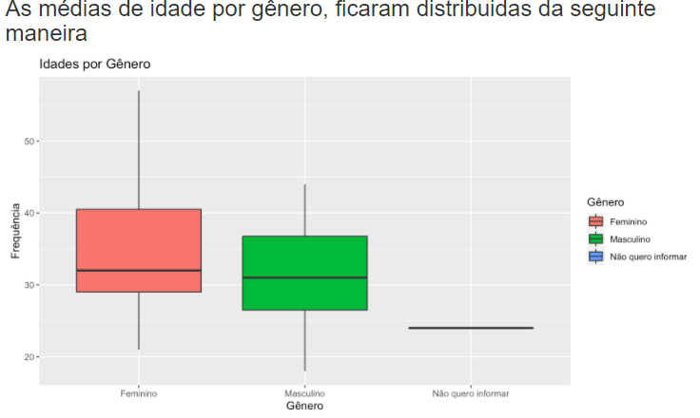
The complete analysis can be seen at the link: https://rpubs.com/fagnersutel/701757
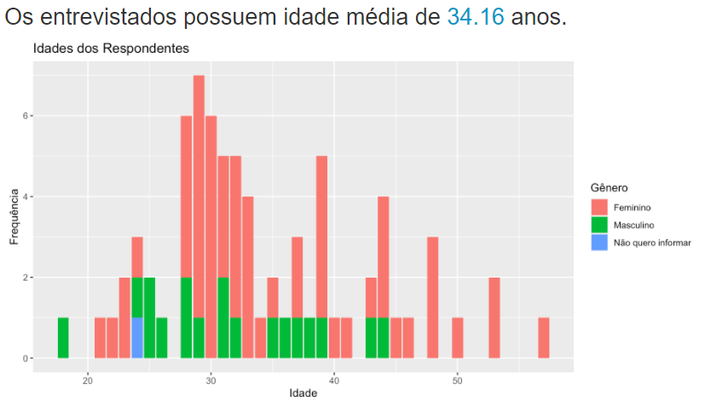
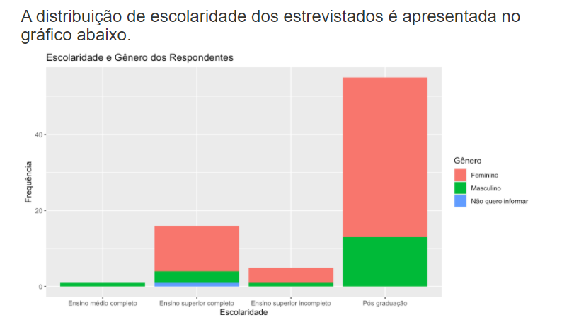

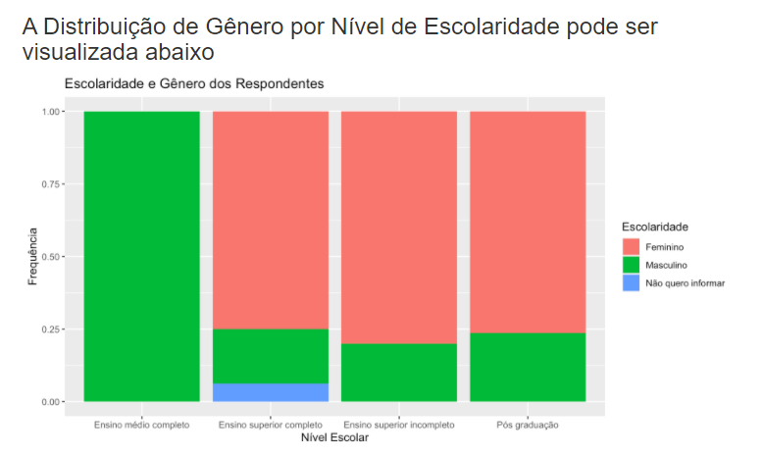
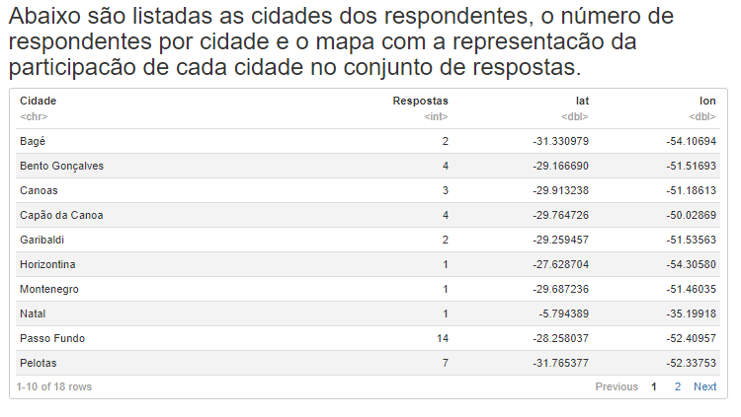

 |  |  |  |  |  |  |  |  |  |  |  |  |  |  |  |  |  |  |  |  |  |  |  |  |  |  |  |  |  |  |  |  |  |  |  |  |  |  |  | Análises completas através do link:
 |  |  |  |  |  |  |  |  |  |  |  |  |  |  |  |  |  |  |  |  |  |  |  |  |  |  |  |  |  |  |  |  |  |  |  |  |  |  | https://rpubs.com/fagnersutel/701757

